Sheet1
Date (UTC) | Integration Name | Label | Outgoing Asset | Outgoing Amount | Incoming Asset | Incoming Amount | Fee Asset (optional) | Fee Amount (optional) | Comment (optional) | Trx. ID (optional)
02.06.2021 08:30:32 | Trezor | Deposit |  |  | BTC | 1 | BNB | 1
01.08.2021 07:43:23 | Trezor | Trade | EUR | 1000 | ETH | 1 | ETH | 0.01 | Fiat Buy
03.07.2021 06:34:21 | Coinbase | Withdrawal | BTC | 0.5
15.08.2021 07:43:19 | Ledger | Mining |  |  | BTC | 1 | BTC | 0.1
14.03.2021 06:23:23 | Ledger | Staking |  |  | ATOM | 5
16.09.2021 09:30:43 | Coinbase | Gift Sent | BTC | 0.5 |  |  | BTC | 0.001
05.05.2021 22:00:00 | Metamask | Airdrop |  |  | SOL | 1
01.01.2020 11:00:00 | Trezor | Gift Received |  |  | LTC | 0.5
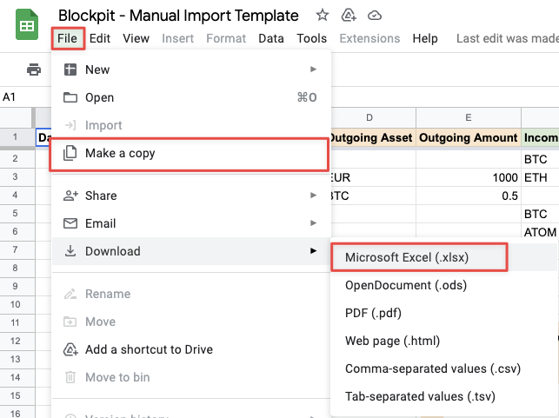
Please make a copy to your GDrive or download as .xlsx. After that please delete this figure.
03.01.2020 11:00:00 | Metamask | Masternode |  |  | ATOM | 0.4
04.01.2020 11:00:00 | Binance | Interest |  |  | XRP | 0.7
05.01.2020 11:00:00 | Metamask | Payment | UNI | 0.8
20.03.2020 11:00:00 | Binance | Derivative Profit |  |  | ETH | 0.9
06.11.2020 22:00:00 | Binance | Derivative Fee | BTC | 0.0004
07.11.2020 22:00:00 | Binance | Derivative Loss | ETH | 0.0002
01.08.2017 09:00:00 | Trezor | Hard Fork |  |  | BCH | 3.5
01.08.2017 08:30:00 | Ledger | Bounty |  |  | ETH | 0.003
23.07.2017 08:30:01 | Binance | Non-Taxable In |  |  | EUR | 1500 | EUR | 20
15.06.2017 08:30:02 | Bitpanda | Non-Taxable Out | EUR | 2000
15.06.2017 08:30:03 | Ledger | Lost | SOL | 0,5
15.06.2017 08:30:04 | Phantom | Cashback |  |  | ETH | 0.00001
15.06.2017 08:30:05 | Trezor | Fee | ETH | 0.003
15.06.2017 08:30:06 | Ledger | Income |  |  | BTC | 5

